Order Form
 |  |  | PURCHASE ORDER

 |  | Brittle Inc. | Date
 |  | 1726 Catalpa Rd | PO #
 |  | Carlsbad, CA 92011
 |  | sales@brittle.co

 | Buyer | Name
 |  | Business (if Applicable)
 |  | Address
 |  | City, State, Zip

DETAILS | QTY | PACKAGE DETAILS | UNIT PRICE | ORDER COST
 |  | 1 lb Bag Almond / 1 lb Bag Peanut | $50.00 | $-
 |  | 2 - 1/2 lb Bags Almond / 2 - 1/2 lb Bags Peanut | $50.00 | $-
 |  | QTY DISCOUNT* | 0% | $-

TOTAL DUE | 0 |  |  | $-
SALES TAX |  |  |  | $-
TOTAL |  |  |  | $-
 |  | *Discount Tiers: 15 - 29 Boxes = 10% / 30 - 49 Boxes = 15% / 50+ Boxes = 20%

 | Billed To | Name
 |  | Address
 |  | City, State, Zip

 | Shipped To | See Recipients Information

CC Information |  | Credit Card Number
 |  | Expiration Date
 |  | Security # (back 3 digits)

 | Signature

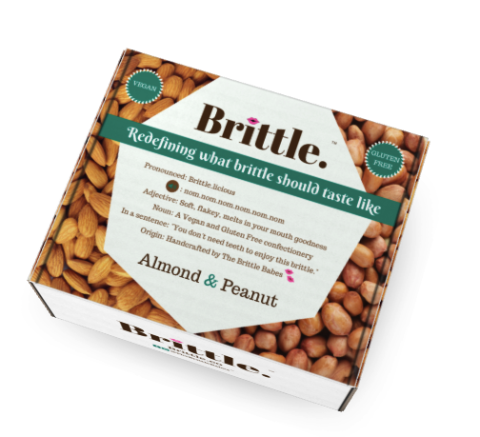
 |  | Printed Name

